Sheet1
grade | subject | Unit | topic | skill | question | option1 | correct1 | option2 | correct2 | option3 | correct3 | option4 | correct4 | feedback
12 | Physics |  | Current Electricity | Maximum power output & Kirchhoff's Rules | Source impedance for max power transfer from source 5-j2 of load? | a) j2 ohm | Y | b) -i2 ohm | N | c) 5 + i2 ohm | N | d) None | N
12 | Physics |  | Current Electricity | Maximum power output & Kirchhoff's Rules | What will be max power transferred to load if Dc circuit (thenivized ) with parameters 25 ohm and 10 V ? | a) 10 W | N | b) 1 W | Y | c) 25 W | N | d) 4 W | N
12 | Physics |  | Current Electricity | Maximum power output & Kirchhoff's Rules | DC voltage source variable resistance from 5 ohm ~ 25 ohm with load 10 ohm.Source resistance ?? For max power trandfer? | a) 5 ohm | Y | b) 10 ohm | N | c) 15 ohm | N | d) 25 ohm | N
12 | Physics |  | Current Electricity | Maximum power output & Kirchhoff's Rules | If source impedance is ________ then load impedance will be automatically compleax conjugate of source impedance | a) not complex | N | b) complex | Y | c) constant | N | d) none | N
12 | Physics |  | Current Electricity | Maximum power output & Kirchhoff's Rules | For max power output current I = | a) E/R+r | Y | b) R/E | N | c) E/r | N | d) None | N
12 | Physics |  | Current Electricity | Maximum power output & Kirchhoff's Rules | The potential difference between the terminals of a battery in open circuit is 2.2 V . When it is connected across a resistance of 5 ohm , the potential falls to 1.8 V . Calculate the current and th internal resistance of battery . | a) 0.36 A and 6 ohm | N | b) 0.36 A and 1.11 ohm | Y | c) 9 ohm | N | d) 9 A | N
12 | Physics |  | Current Electricity | Maximum power output & Kirchhoff's Rules | Max power will be delivered from source to load when resistance of load is ___________ the source resistance? | a) greater then | N | b) less than | N | c) equal to | Y | d) None | N
12 | Physics |  | Current Electricity | Maximum power output & Kirchhoff's Rules | Condition of max power transfer if source impedance is complex. | a) ZL= Zs | N | b) Zl = Zs* | Y | c) Zl = - Zs | N | d) None | N
12 | Physics |  | Current Electricity | Maximum power output & Kirchhoff's Rules | If ZL = Zs * then ? | a) RL = 1 | N | b) R = 0 | N | c) Rs=0 | N | d) RL=Rs | Y
12 | Physics |  | Current Electricity | Maximum power output & Kirchhoff's Rules | Consider value of load impedance at which max power can be delivered by source | a) 15-j20 | Y | b) 15 + j20 | N | c) 20 - j15 | N | d) none | N
12 | Physics |  | Current Electricity | Maximum power output & Kirchhoff's Rules | What will be load current ? | a) 1.66 ∠ 90deg | N | b) 1.66 ∠ 0 deg | Y | c) 2.66 ∠ 0 deg | N | d) none | N
12 | Physics |  | Current Electricity | Maximum power output & Kirchhoff's Rules | What will be max power that is delivered by source ? | a) 39.33 | N | b) 40 .33 | N | c) 41.33 | Y | d) 42.33 | N
12 | Physics |  | Current Electricity | Maximum power output & Kirchhoff's Rules | 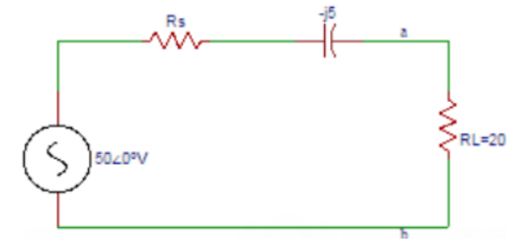 R is variable resistance from 2 ohm to 50 ohm. At what value Rs results in max power transfer across ab terminals | a) 1 | N | b) 2 | Y | c) 3 | N | d) 4 | N
12 | Physics |  | Current Electricity | Maximum power output & Kirchhoff's Rules | Max power that will be delivered by source ? | a) 96.6 |  | b) 97.6 | N | c) 98.6 | Y | d) 99.6 | N
12 | Physics |  | Current Electricity | Maximum power output & Kirchhoff's Rules | Internal resistance in max power transfer theorem ? | a) Equal to load resistance | Y | b) equal to zero | N | c) no change | N | d) None | N
12 | Physics |  | Current Electricity | Maximum power output & Kirchhoff's Rules | If total currents entering a junction is equal to the total current leaving the junction | a) Thomson law | N | b) Faraday Law | N | c) kirchoff law | Y | d) None | N
12 | Physics |  | Current Electricity | Maximum power output & Kirchhoff's Rules | Acc to kirchoffs first law Sigma i = 0 at junction is based on ? | a) Energy | N | b) Charge | Y | c) Momentum | N | d) None | N
12 | Physics |  | Current Electricity | Maximum power output & Kirchhoff's Rules | 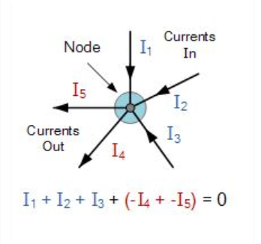 Which law is this? | a) Thomson law | N | b) Faraday Law | N | c) kirchoff law | Y | d) None | N
12 | Physics |  | Current Electricity | Maximum power output & Kirchhoff's Rules | What will be voltage across 5 ohm resistor ? | a) 12 | N | b) 2 | Y | c) 9 | N | d) None | N
12 | Physics |  | Current Electricity | Maximum power output & Kirchhoff's Rules | Which law is useful in this case? | a) Thomson law | N | b) Faraday Law | N | c) kirchoff law | Y | d) None | N
12 | Physics |  | Current Electricity | Maximum power output & Kirchhoff's Rules | 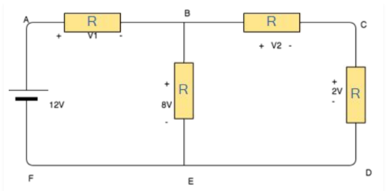 Calculate voltages V1 and V2 | a) 4V , 6 V | Y | b)0 , 0 V | N | c) 9 , 9 V | N | d) none | N
12 | Physics |  | Current Electricity | Maximum power output & Kirchhoff's Rules | 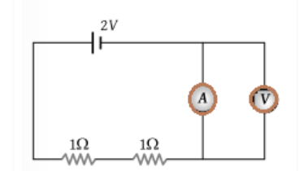 What will be reading in voltmeter in given circuit | a) 8 V | N | b) 89 V | N | c) 9 V | N | d) Zero | Y
12 | Physics |  | Current Electricity | Maximum power output & Kirchhoff's Rules | Relation between currents in following figure? | a) i2 = i1 + i3 + i4 +i5 | Y | b) i2 = i1 + i3 + i4 | N | c) i2 = i1 + i3 |  | d) None | N
12 | Physics |  | Current Electricity | Maximum power output & Kirchhoff's Rules | Algebraic sum of voltages around any closed path in network is equal ? | a) Infinity | N | b) 1 | N | c) 0 | Y | d) None | N
12 | Physics |  | Current Electricity | Maximum power output & Kirchhoff's Rules | Kirchoffs 1st law is based on ? | a)The charge accumulation at the node | N | b) Charge cannot accumlated at node | Y | c) Energy cannot accumulate | N | d) None | N
12 | Physics |  | Current Electricity | Maximum power output & Kirchhoff's Rules | If cells are connected in parallel , then ? | a) current increases | Y | b) current decreases | N | c) emf increases | N | d) none | N
12 | Physics |  | Current Electricity | Maximum power output & Kirchhoff's Rules | emf< terminal potential difference , when? | a) open circuit | N | b) closed circuit | N | c) discharged | N | d) being charged | Y
12 | Physics |  | Current Electricity | Maximum power output & Kirchhoff's Rules | All ____ are loops. | a) meshes | Y | b) nodes | N | c) voltages | N | d) none | N
12 | Physics |  | Current Electricity | Maximum power output & Kirchhoff's Rules | Not all _______ are meshes. | a) meshes | N | b) nodes | N | c) voltages | N | d) loops | Y
12 | Physics |  | Current Electricity | Maximum power output & Kirchhoff's Rules | Junction where 2 or more netweork elements meet is ? | a) meshes | Y | b) nodes | N | c) voltages | N | d) loops | N
12 | Physics |  | Current Electricity | Maximum power output & Kirchhoff's Rules | Which one is 2nd step of matrix incidence of directed graph? | a) Choose a node | N | b) Assign values and check for direction | Y | c) Repeat previous steps | N | d) None | N
12 | Physics |  | Current Electricity | Maximum power output & Kirchhoff's Rules | Which indicates that current is either entering or leaving the node in an incident matrix ? | a) +1 | N | b) -1 | N | c) 0 | Y | d) None | N
12 | Physics |  | Current Electricity | Maximum power output & Kirchhoff's Rules | Network graph electrical representation are of _ types? | a) 2 | N | b) 1 | N | c) 3 | Y | d) 4 | N
12 | Physics |  | Current Electricity | Maximum power output & Kirchhoff's Rules | Kirchoff law can also be represented? | a) Ohms law | Y | b) Faraday Law | N | c) Coulombs law | N | d) Both a and c | N
12 | Physics |  | Current Electricity | Maximum power output & Kirchhoff's Rules | ____ fields are being driven from kirchoff's loop lae or voltage law? | a) Electrical | N | b) Magnetic | N | c) Electrostatic | Y | d) Electromagnetic | N
12 | Physics |  | Current Electricity | Maximum power output & Kirchhoff's Rules | ____ parameter is used for analysis process? | a) Current | N | b) Voltage | N | c) Resistance | N | d) Both a and b | Y
12 | Physics |  | Current Electricity | Maximum power output & Kirchhoff's Rules | Arrange : 1) Every loop is assigned with loop based current value 2) Perform mathematical solvation to obtain loops currents value 3) Kirchhoff’s KVL is implemented for every loop | a) 1,2,3 | N | b) 3,2,1 | N | c) 1,3,2 | Y | d) 3,1,2 | N
12 | Physics |  | Current Electricity | Maximum power output & Kirchhoff's Rules | 2nd kirchoffs law is produced? | a) Nodal analysis | N | b) Mesh analysis | Y | c) Both a and b | N | d) Voltage analysis | N
12 | Physics |  | Current Electricity | Maximum power output & Kirchhoff's Rules | 1st law can be performed ? | a) Nodal analysis | Y | b) Mesh analysis | N | c) Both a and b | N | d) Voltage analysis | N
12 | Physics |  | Current Electricity | Maximum power output & Kirchhoff's Rules | Which defines KCL if i1 & i2 are incoming while i3 & i4 are outgoing? | a) i1+i2=i3+i4 | Y | b) i1+i2=i4 | N | c) i1=i3+i4 | N | d) None | N
12 | Physics |  | Current Electricity | Maximum power output & Kirchhoff's Rules | Σe = ΣIR is applicable to which law? | a) Kirchoff current law | N | b) Kirchoffs voltage law | Y | c) Newton law | N | d) None | N
12 | Physics |  | Current Electricity | Maximum power output & Kirchhoff's Rules | Which is false? | a) 2nd kirchoffs law is valid at nodes | N | b) 2nd kirchoffs law is valid at meshes | N | c) Sum of oltages over any closed loop is zero | N | d) None | N
12 | Physics |  | Current Electricity | Maximum power output & Kirchhoff's Rules | Algebraic sum of voltages around any closed path in network is equal ? | a) Infinity | N | b) 1 | N | c) 0 | Y | d) None | N
12 | Physics |  | Current Electricity | Maximum power output & Kirchhoff's Rules | Kirchoffs 1st law is based on ? | a)The charge accumulation at the node | N | b) Charge cannot accumlated at node | Y | c) Energy cannot accumulate | N | d) None | N
12 | Physics |  | Current Electricity | Maximum power output & Kirchhoff's Rules | Which among the given can be utilized to analyze circuits? | a) Kirchoffs law | Y | b) Newtons law | N | c) Coulombs law | N | d) Stephans law | N

